Estimate
TYPICAL ESTIMATE FOR REPAIR / RESTORATION OF IRRIGATION DAK BANGLOW

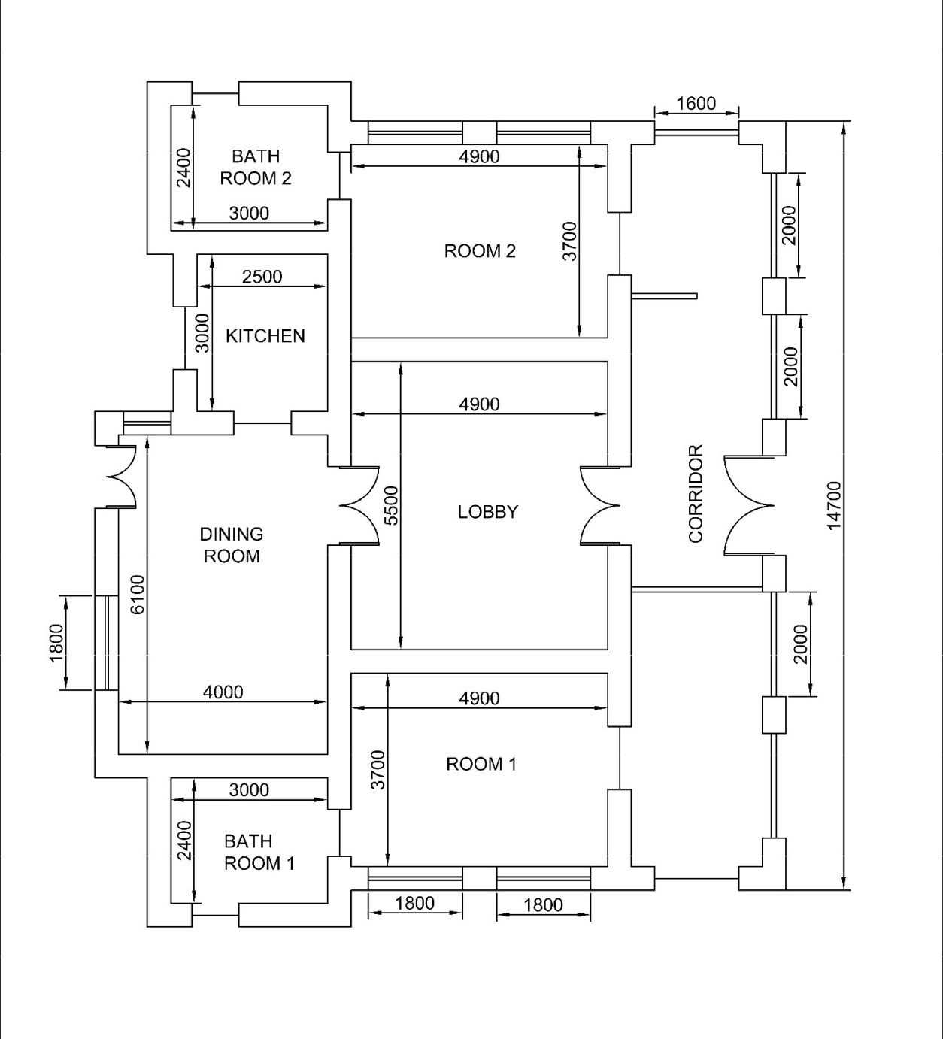
S.NO. | PARTICULARS OF ITEM |  |  |  |  |  |  |  |  |  | RATE |  | AMOUNT
1 | Removing dry or oil bound distemper, water prrofing cement by scrapping, sand papering and preparing the surface smooth including necessary repairs to scratches etc. complete

 | Inner side of the building
 |  |  | NO | LENGTH (m) | BREADTH (m) | HEIGHT (m) | QTY
 | ROOM 2 | WALLS | 2 | 4.9 | - | 5 | 49
 |  |  | 2 | - | 3.7 | 5 | 37
 |  | CEILING | 1 | 4.9 | 3.7 | - | 18.13
 | LOBBY | WALLS | 2 | 4.9 | - | 5 | 49
 |  |  | 2 | - | 5.5 | 5 | 55
 |  | CEILING | 1 | 4.9 | 5.5 | - | 26.95
 | DINING | WALLS | 2 | 4 | - | 3 | 24
 |  |  | 2 | - | 6.1 | 3 | 36.6
 |  | CEILING | 1 | 4 | 6.1 | - | 24.4
 | KITCHEN | WALLS | 2 | 3 | - | 3 | 18
 |  |  | 2 | - | 2.5 | 3 | 15
 |  | CEILING | 1 | 3 | 2.5 | - | 7.5
 | BATHROOM 1 | WALLS | 2 | 3 | - | 0.8 | 4.8
 |  |  | 2 | - | 2.4 | 0.8 | 3.84
 |  | CEILING | 1 | 3 | 2.4 | - | 7.2
 | BATHROOM 2 | WALLS | 2 | 3 | - | 0.8 | 4.8
 |  |  | 2 | - | 2.4 | 0.8 | 3.84
 |  | CEILING | 1 | 3 | 2.4 | - | 7.2
 | CORRIDOR | WALLS | 2 | 14 | - | 4 | 112
 |  |  | 2 | - | 2.6 | 4 | 20.8
 |  | CEILING | 1 | 14 | 2.6 | - | 36.4
 |  |  |  |  |  | TOTAL = | 561.46 | m2 | --A
 | DEDUCT WINDOWS
 | ROOM 2 | (-) | 2 | 1.8 | 1.2 | - | 4.32
 | DINING | (-) | 1 | 1.8 | 1.2 | - | 2.16
 |  | (-) | 1 | 0.9 | 1.2 | - | 1.08
 | BATHROOM 1 | (-) | 1 | 0.9 | 0.9 | - | 0.81
 | BATHROOM 2 | (-) | 1 | 0.9 | 0.9 | - | 0.81
 | VENTILATOR | (-) | 10 | 0.9 | 0.6 | - | 5.4
 | DEDUCT DOORS
 | MAIN DOOR | (-) | 1 | 2.1 | - | 2.2 | 4.62
 | ROOM 2 | (-) | 1 | 1.2 | - | 2.1 | 2.52
 | DINING | (-) | 1 | 1.2 | - | 2.1 | 2.52
 | LOBBY | (-) | 2 | 1.45 | - | 2.1 | 6.09
 | KITCHEN | (-) | 2 | 1.2 | - | 2.1 | 5.04
 | BATHROOM 1 | (-) | 2 | 0.8 | - | 2.1 | 3.36
 | BATHROOM 2 | (-) | 2 | 0.8 | - | 2.1 | 3.36
 | DEDUCTION CORRIDOR
 |  | (-) | 2 | 2 | - | 2.2 | 8.8
 |  | (-) | 1 | 1.6 | - | 2.2 | 3.52
 |  |  |  |  | TOTAL = (-) |  | 54.41 | m2 | --B
 | For the outside of the building ( by considering outer periphery)
 |  |  | NO | LENGTH (m) | BREADTH (m) | HEIGHT (m) | QTY
 | BACK |  | 1 | 19.1 | - | 5.3 | 101.23
 | FRONT |  | 1 | 14.7 | - | 5.3 | 77.91
 | SIDES |  | 2 | 12.95 | - | 5.3 | 137.27
 |  |  |  |  |  | TOTAL = | 316.41 | m2 | --C
 | DEDUCT DOORS
 |  | (-) | 2 | 1.2 | - | 2.1 | 5.04
 |  | (-) | 2 | 0.8 | - | 2.1 | 3.36
 |  | (-) | 1 | 2.1 | - | 2.2 | 4.62
 | DEDUCT WINDOWS
 |  | (-) | 4 | 1.8 | 1.2 | - | 8.64
 |  | (-) | 1 | 1.8 | 1.2 | - | 2.16
 |  | (-) | 1 | 0.9 | 1.2 | - | 1.08
 |  | (-) | 2 | 0.9 | 0.9 | - | 1.62
 |  | (-) | 10 | 0.9 | 0.6 | - | 5.4
 | DEDUCTION CORRIDOR
 |  | (-) | 4 | 2 | - | 2.2 | 17.6
 |  | (-) | 2 | 1.6 | - | 2.2 | 7.04
 |  |  |  |  | TOTAL = (-) |  | 56.56 | m2 | --D
 |  | NET TOTAL = (A+C)-(B+D) = |  |  |  |  | 766.9 | m2 | --E |  | ₹ 18.70 | /m2 | ₹ 14,341
2 | Providing and applying white cement based putty of specified thickness of approved brand and manufacturer, over the plastered wall surface to prepare the surface even and smooth complete. ( 1mm thick)

 |  | Qty vide item no 1A-1B = |  |  |  | 507.05 | m2 |  |  |  | ₹ 138.10 | /m2 | ₹ 70,024
3 | Wall Painting with acrylic emulsion paint of approved brand and manufacture to give an even shade. Two or more coats on new work

 |  |  |  | Qty vide item no 1A-1B = |  |  | 507.05 | m2 |  |  | ₹ 136.75 | /m2 | ₹ 69,339
4 | Finishing walls with Acrylic smooth exterior paint of required shade:Old work (two or more coats applied @ 1.67 liters/10sqm on existing cement paint surface)

 |  |  |  | Qty vide item no 1C-1D = |  |  | 259.85 | m2 |  |  | ₹ 119.20 | /m2 | ₹ 30,974
5 | Providing and laying vitrified floor tiles in different sizes (thickness to be specified by the manufacturer) with water absorption less than 0.08% and conforming to IS:15622 of approved make, in all colours and shades, laid on 20mm thick cement mortar 1:4 (1cement :4 coarse sand) including grouting the joints with white cement and matching pigments etc. complete Size of tile 600x600 mm

 |  |  | NO | LENGTH (m) | BREADTH (m) | HEIGHT (m) | QTY
 |  | LOBBY | 1 | 4.9 | 5.5 | - | 26.95
 |  | KITCHEN | 1 | 3 | 2.5 | - | 7.5
 |  | CORRIDOR | 1 | 14 | 2.6 | - | 36.4
 |  |  |  |  |  | TOTAL = | 70.85 | m2 |  |  | ₹ 1,395.10 | /m2 | ₹ 98,843
6 | Providing and laying Ceramic glazed floor tiles 300x300 mm (thickness to be specified by the manufacturers) of 1st quality conforming to IS: 15622 of approved make, laid on 20 mm thick bed of cement mortar 1: 4 ( 1 cement : 4 coarse sand) including pointing the joints with white cement and matching pigment etc., complete.

 |  |  | NO | LENGTH (m) | BREADTH (m) | HEIGHT (m) | QTY
 |  | BATHROOM 1 | 1 | 3 | 2.4 | - | 7.2
 |  | BATHROOM 2 | 1 | 3 | 2.4 | - | 7.2
 |  |  |  |  |  | TOTAL = | 14.4 | m2 |  |  | ₹ 1,107.65 | /m2 | ₹ 15,950
7 | Providing and fixing Ist quality ceramic glazed wall tiles conforming to IS : 15622 (thickness to be specified by the manufacturer), of approved make, in all colours, shades except burgundy, bottle green, black of any size as approved by Engineer- in-Charge, in skirting, risers of steps and dados over 12 mm thick bed of cement mortar 1:3 ( 1 cement : 3 coarse sand) and jointing with grey cement slurry @ 3.3 kg per sqm, including pointing in white cement mixed with pigment of matching shade complete.

 |  |  | NO | LENGTH (m) | BREADTH (m) | HEIGHT (m) | QTY
 | BATHROOM 1 | WALLS | 2 | 3 | - | 2.2 | 13.2
 |  |  | 2 | - | 2.4 | 2.2 | 10.56
 | BATHROOM 2 | WALLS | 2 | 3 | - | 2.2 | 13.2
 |  |  | 2 | - | 2.4 | 2.2 | 10.56
 | LOBBY | WALLS | 2 | 4.9 | - | 0.9 | 8.82
 |  |  | 2 | - | 5.5 | 0.9 | 9.9
 | DEDUCT DOORS
 | BATHROOM 1 | (-) | 2 | 0.8 | - | 2.1 | 3.36
 | BATHROOM 2 | (-) | 2 | 0.8 | - | 2.1 | 3.36
 | DEDUCT WINDOWS
 | BATHROOM 1 | (-) | 1 | 0.9 | 0.9 | - | 0.81
 | BATHROOM 2 | (-) | 1 | 0.9 | 0.9 | - | 0.81
 | LOBBY | (-) | 2 | 1.45 | - | 0.9 | 2.61
 |  |  |  |  | NET TOTAL = |  | 55.29 | m2 |  |  | ₹ 1,229.10 | /m2 | ₹ 67,957
8 | Dismantling of flushing cistern of all types(C.I/PVC/Vitreous china) including stacking of useful materials near the site and disposal of unserviceable materials within 50 meters lead

 |  |  |  |  |  | QTY. = | 2 | No |  |  | ₹ 699.55 | /No | ₹ 1,399
9 | Dismantling W.C. Pan of all sizes including disposal of dismantled materials i/c malba all complete as per directions of Engineer-in-Charge.

 |  |  |  |  |  | QTY. = | 2 | No |  |  | ₹ 95.85 | /No | ₹ 192
10 | Providing and fixing floor mounted, white vitreous china single piece, double traps syphonic water closet of approved brand/make, shape, size and pattern including integrated white vitreous china cistern of capacity 10 litres with dual flushing system, including all fittings and fixtures with seat cover, cistern fittings, nuts, bolts and gasket etcincluding making connection with the existing P/S trap, complete in all respect as per directions of Engineer-in-Charge.

 |  |  |  |  |  | QTY. = | 2 | No |  |  | ₹ 21,554.20 | /No | ₹ 43,108
11 | Providing and fixing 8 mm dia C.P. / S.S. Jet with flexible tube upto 1 metre long with S.S. triangular plate to European type W.C. of quality and make as approved by Engineer - in - charge.

 |  |  |  |  |  | QTY. = | 2 | No |  |  | ₹ 412.10 | /No | ₹ 824
12 | Providing and fixing 600x450 mm beveled edge mirror of superior glass (of approved quality) complete with 6 mm thick hard board ground fixed to wooden cleats with C.P. brass screws and washers complete.

 |  |  |  |  |  | QTY. = | 2 | No |  |  | ₹ 1,595.10 | /No | ₹ 3,190
13 | Providing and fixing fly proof wire gauge to windows and clerestory windows using wire gauge with average width of aperture 1.4 mm in both directions all complete.With stainless steel grade 304 wire gauge with wire of dia 0.50 mm With 12 mm mild steel U beading

 |  |  | NO | LENGTH (m) | BREADTH (m) | HEIGHT (m) | QTY
 | CORRIDOR |  | 2 | 2 | - | 2.2 | 8.8
 |  |  | 1 | 1.6 | - | 2.2 | 3.52
 |  |  |  |  |  | TOTAL = | 12.32 | m2 |  |  | ₹ 1,066.75 | /m2 | ₹ 13,142
14 | Dismantling 15 to 40 mm dia G.I. pipe including stacking of dismantled pipes (within 50 metres lead) as per direction of Engineer-in-Charge.

 |  |  |  |  | Qty.= | 35 | m |  |  |  | ₹ 3.35 | /m | ₹ 117
15 | Providing and fixing wash basin with C.I. brackets, 15mm C.P. brass pillar taps, 32 mm C.P. brass waste of standard pattern, including painting of fittings and brackets, cutting and making good the walls wherever required: White Vitreous China Wash basin size 630x450 mm with a pair of 15 mm C.P. brass pillar taps.

 |  |  |  |  | Qty.= | 2.00 | No. |  |  |  | ₹ 4,172.40 | /No | ₹ 8,345
16 | Providing and fixing white vitreous china pedestal for wash basin completely recessed at the back for the reception of pipes and fittings.

 |  |  |  |  | Qty.= | 2.00 | No. |  |  |  | ₹ 1,474.15 | /No | ₹ 2,948
17 | Providing and fixing G.I. pipes complete with G.I. fittings and clamps, including cutting and making good the walls etc.: Concealed pipe including painting with anti corrosive bitumastic paint, cutting chases and making good the wall:

 |  | 15 mm dia. nominal bore |  |  | Qty.= | 35.00 | m |  |  |  | ₹ 498.30 | /m | ₹ 17,441
 |  | 20 mm dia. nominal bore |  |  | Qty.= | 15.00 | m |  |  |  | ₹ 555.85 | /m | ₹ 8,338
18 | Providing and fixing 15 mm nominal bore C.P. brass angle valve for basin mixer and geyser points of approved make conforming to IS : 8931

 |  |  |  |  | Qty.= | 4 | No. |  |  |  | ₹ 582.35 | /No | ₹ 2,329
19 | Providing and fixing 15 mm nominal bore C.P. stop cock (concealed) of standard design and of approved make conforming to IS : 8931

 |  |  |  |  | Qty.= | 4 | No. |  |  |  | ₹ 690.30 | /No | ₹ 2,761
20 | Providing and fixing 15 mm nominal bore C.P. brass bib cock of approved quality conforming to IS : 8931

 |  |  |  |  | Qty.= | 4 | No. |  |  |  | ₹ 583.25 | /No | ₹ 2,333
21 | Providing and fixing 15 mm nominal bore of standard back type C.P.brass close hole basin mixer pillar tap of approved quality and make weighing not less than 1.970 kg.

 |  |  |  |  | Qty.= | 1 | No. |  |  |  | ₹ 2,072.10 | /No | ₹ 2,072
22 | Providing and placing on terrace (at all floor levels) polyethylene water storage tank ISI : 12701 marked, with cover and suitable locking arrangement and making necessary holes for inlet, outlet and overflow pipes but without fittings and the base support for tank

 |  |  |  |  | Qty.= | 1000 | litre capacity |  |  |  | ₹ 8.75 | /Ltr | ₹ 8,750
 |  |  |  |  |  |  |  |  |  |  | TOTAL |  | ₹ 484,717

 |  |  |  |  |  |  |  |  |  | SAY | ₹ 4.80 | LAKHS

